Dashboard - Sample
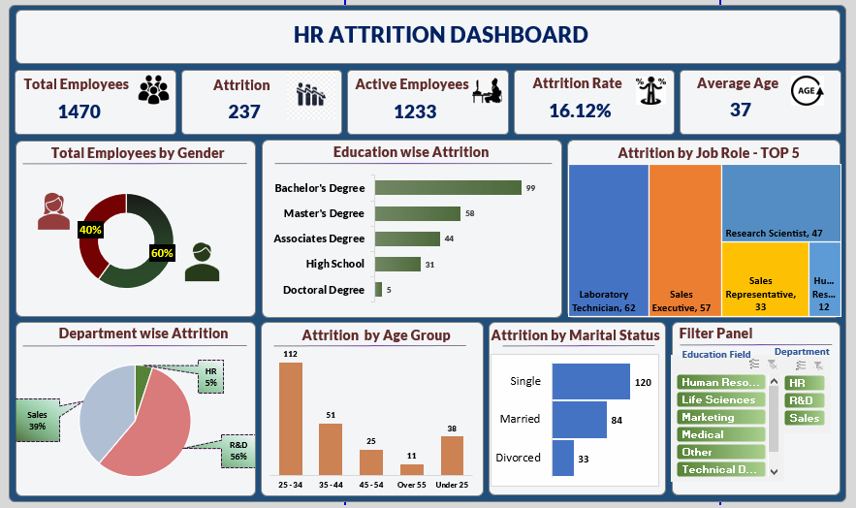

HR Dashboard by Siddique
 | Total
Female | 40.00%
Male | 60.00%
 | Total
Doctoral Degree | 5
High School | 31
Associates Degree | 44
Master's Degree | 58
Bachelor's Degree | 99
 | Total
HR | 12
R&D | 133
Sales | 92
 | Total
25 - 34 | 112
35 - 44 | 51
45 - 54 | 25
Over 55 | 11
Under 25 | 38
 | Total
Divorced | 33
Married | 84
Single | 120
`
HR ATTRITION DASHBOARD
1470
237
1233
16.12%
37
Total Employees
Total Attrition
Active Employees
Attrition Rate
Average Age
Total Employees by Gender
Education Wise Attrition
This chart isn't available in your version of Excel.Editing this shape or saving this workbook into a different file format will permanently break the chart.
Attrition by Job Role - Top_05
Department Wise Attrition
Attrition by Age Group
Attrition by Marital Status
This shape represents a slicer. Slicers are supported in Excel 2010 or later.If the shape was modified in an earlier version of Excel, or if the workbook was saved in Excel 2003 or earlier, the slicer cannot be used.
This shape represents a slicer. Slicers are supported in Excel 2010 or later.If the shape was modified in an earlier version of Excel, or if the workbook was saved in Excel 2003 or earlier, the slicer cannot be used.
Filter Panel

Pivot Report
Total Employee | Attrition Rate
1470 | 16.12%
This shape represents a slicer. Slicers are supported in Excel 2010 or later.If the shape was modified in an earlier version of Excel, or if the workbook was saved in Excel 2003 or earlier, the slicer cannot be used.
This shape represents a slicer. Slicers are supported in Excel 2010 or later.If the shape was modified in an earlier version of Excel, or if the workbook was saved in Excel 2003 or earlier, the slicer cannot be used.
Average of Age | 37
37 | Active Employees
 | 1233
Attrition
237 | 237

Row Labels | Total Employee by Gender
Female | 40.00%
Male | 60.00%
Grand Total | 100.00%

Row Labels | Count of CF_attrition counts
Doctoral Degree | 5
High School | 31 | Laboratory Technician | 62
Associates Degree | 44 | Sales Executive | 57
Master's Degree | 58 | Research Scientist | 47
Bachelor's Degree | 99 | Sales Representative | 33
Grand Total | 237 | Human Resources | 12
This chart isn't available in your version of Excel.Editing this shape or saving this workbook into a different file format will permanently break the chart.
Row Labels | Sum of CF_attrition counts
Laboratory Technician | 62
Sales Executive | 57
Research Scientist | 47
Sales Representative | 33
Human Resources | 12
Grand Total | 211

Row Labels | Sum of CF_attrition counts
HR | 12
R&D | 133
Sales | 92
Grand Total | 237

Row Labels | Sum of CF_attrition counts
25 - 34 | 112
35 - 44 | 51
45 - 54 | 25
Over 55 | 11
Under 25 | 38
Grand Total | 237

Row Labels | Sum of CF_attrition counts
Divorced | 33
Married | 84
Single | 120
Grand Total | 237

